RTS 1
Blinski Wash

 | Date | Saturday | 2023-08-12 |  |  |  |  |  |  |  | Snip By: | 23:30:00
 |  |  |  |  |  |  |  |  |  |  |  |  |  | Todays Volume
 | Shift | KPI | Actual |  | Goal | Delta | Notes |  |  |  |  |  |  | 26580
 | Loadout | DSP OTD | 100.00% |  | 95% | 5%
 |  | Flex OTD | 100.00% |  | 95% | 5% | FLEX Routes: C1 -12, PFSD -28, RTS1 -4

 | Shift | KPI | Units | DPMO | Goal | Delta | Notes
 | RTS | RTS DPMO | 93 | 3,499 | 5000 | (1,501)
 |  | OODT DPMO | 24 | 903 | 1000 | (97)
 |  | PNOV DPMO | 4 | 150 | 0 | 150 | Perfect Mile PNOV Bridge
 |  | Physical BL Breakdown |  |  |  |  |  | Undispatched | Misc | Total
 |  |  |  |  |  |  | - | 0 | 0 | 0

 | FixIt Que Snip |  |  |  |  |  |  |  | EOS Handoff
 | 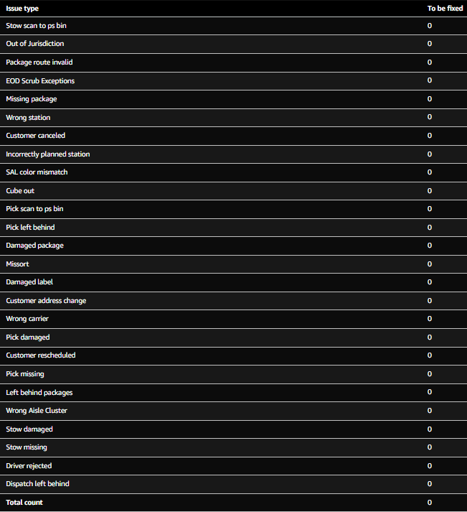 https://logistics.amazon.com/station/dashboard/problemsolve
 |  |  |  |  |  |  |  |  | Problem Solve Audit
 |  |  |  |  |  |  |  |  | HAZMAT Processed |  | Y | 5 | RTS Only
 |  |  |  |  |  |  |  |  | All Items Repacked |  | Y | 0 | RTS Only
 |  |  |  |  |  |  |  |  | All Items RTFCd |  | Y |  | RTS Only
 |  |  |  |  |  |  |  |  | All Items Solved |  | Y |  | RTS Only
 |  |  |  |  |  |  |  |  | Campus Ship Processed |  | Y |  | RTS Only
 |  |  |  |  |  |  |  |  | Loose Items Processed |  | Y |  | RTS Only
 |  |  |  |  |  |  |  |  | Repack tracker found DBO6 📕 PFSD/RTS 🔙 Operations (1200-0000)

 |  |  |  |  |  |  |  |  | Liquid Damage SIMs submitted |  | n | 0

